Sheet1
Comprehensive deed of lease | IMAGE | REMARKS
 |  | Please check this must be a Term tag
 |  | Please check your xref scan all
 |  | Please insert number (1) in xref
 |  |  Omit the (P) tag
 | 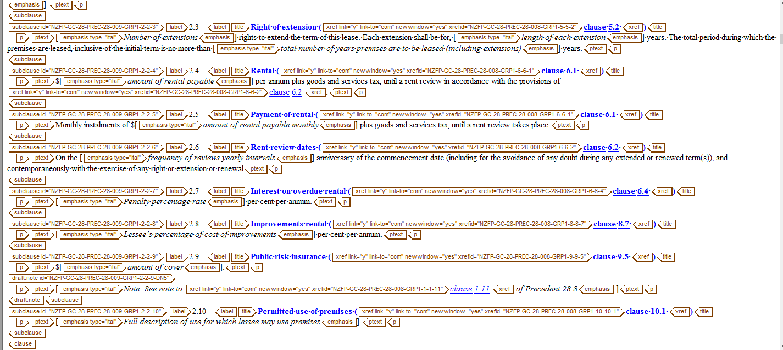 | omit the (xref) from title
 |  | Copy the right taging for this clause

